1. Title Page
[Project Name]

Project Name: Instacart Grocery Basket Analysis
Date: December 2024
Analyst Name: Nicholas Martinez

Contents:
Population Flow
Consistency checks
Wrangling steps
Column derivations
Visualizations
Recommendations

2. Population Flow
Title page

Population flow

Exclusion flag
Condition: max_order <
Obervations to be removed:
Final total count of order_products_all:

Orders_products_combined
Orders_products_merged
Orders_products_all

Total: 32399732
Total: 32424489
Total: 32399732

1.) The grey boxes in the first row of the population flow represent the original data sets as they were when you downloaded them. In the Total fields you need to add the count of the rows when you imported the data set into Jupyter.
2.) The second row of boxes (coloured) represents the data sets after you manipulated them, e.g., removed missing values and duplicates. In the Total fields you need to add the count of the rows after conducting these operations. This offers a visual oveview of how the data flows throughout the data consistency checks.
3.) The third row, where also the arrows are coloured, represents the merges you performed between the datasets. In the Total fields you need to add the count of the rows in the merged datasets, so that you end up with the final dataset (in the red box). Keep in mind the final dataset should be without exclusions (based on the exclusion flag).

3. Consistency checks
 |  |  |  | Title page
Consistency checks

Dataset | Missing values | Missing values treatment | Duplicates
orders | days_since_prior_order | created the new column for first order | N/A
products | some product names | removed rows from the data frame | dropped the duplicates
orders_products_prior | N/A | N/A | N/A
customers | first name | removed PII | N/A

4. Wrangling steps
 |  |  |  |  | Title page
Wrangling steps

Data set | Columns dropped | Columns renamed | Columns' type changed | Comment/Reason
orders | eval_set |  |  | eval set was useless to the analysis
 |  | order_dow |  | dow was not descriptive enough for the lay person
 |  |  | user_id/order id | changed to string as the numeric value is just for id
department |  | department id |  | transposed and renamed the id column
Products |  |  |  | not a category but there were two massive outliers in milk and cottage cheese that got removed
customers |  | FIRST_NAME |  | changed to first_name, for consistency
 |  | surnam |  | changed to last_name, for consistency
 |  | STATE |  | changed to state, for consistency
 |  | Age |  | changed to age, for consistency
 |  | fam_status |  | changed to marital_status, for consistency
 |  | Gender |  | changed to gender, for consistency
 |  |  | user_id | To string as above

5. Column derivations
 |  |  |  | Title page

Column derivations and aggregations

In this tab you should add tables below that the frequences of flags/label variables that you produced after deriving them. NB: don't do this for continuous variables, only for flags.
Dataset | New column | Column/s it was derived from | Conditions
df_ords | first_order | days_since_prior_order | if the first order is NaN puts true into first_order
df_combined | price_range | prices | if price is <= 5 = 'Low range'
 |  |  | if price is > 5 and <=15 = 'Mid range'
 |  |  | if price is >1 5 = 'High range'
df_combined | busiest_day | order_dow | 0 = busiest day
 |  |  | 4 = least busy
 |  |  | anything else = regulary busy
df_combined | busiest_days | order_dow | 0 or 1 = busiest day
 |  |  | 3 or 4 = least busy
 |  |  | anything else = regulary busy
df_combined | busiest_period_of_day | order_hour_of_day | if hours are 9-17 = Most orders
 |  |  | if hours are 2-6 Fewest orders
 |  |  | else Average orders
df_combined | loyalty_flag | max_order | if max order > 40 = loyal customer
 |  |  | if max order <=40 and >10 = Regular customer
 |  |  | else New customer
df_combined | Spender_Type | avg_spent | if avg_spent >= High spender
 |  |  | else low spender
df_combined | Customer_frequency | median_since_last_order | if median_since_last_order> 20 = Non-frequent customer
 |  |  | if median_since_last_order<=20 and>10 = Regular customer
 |  |  | if median_since_last_order<= 10 = Frequent customer
instacart | region | state | if state is Maine, New Hampshire, Vermont, Massachusetts, Rhode Island, Connecticut, New York, Pennsylvania, New Jersey = Northeast
 |  |  | if state is Wisconsin, Michigan, Illinois, Indiana, Ohio, North Dakota, South Dakota, Nebraska, Kansas, Minnesota, Iowa, Missouri = Midwest
 |  |  | if state is Delaware, Maryland, District of Columbia, Virginia, West Virgina, North Carolina, South Carolina, Georgia, Florida, Kentucky, Tennesse, Mississippi, Alabama, Oklahoma, Texas, Arkansas, Lousiana = South
 |  |  | if state is Idaho, Montana, Wyoming, Nevada, Utah, Colorado, Arizona, New Mexico, Alaska, Washington, Oregon, California, Hawaii = West
active_customers | age_group | age | if age <= 25 = Young Adult
 |  |  | if age > 25 and < = 44 = Adult
 |  |  | if age> 44 and <= 64 = Middle Age
 |  |  | If age >= 65 Senior
df_final | dependants | n_dependants | if n_dependants = 0 = No dependants
 |  |  | else Has dependants

6. Visualizations
 |  |  |  |  | Title page

Visualisations

The sales team needs to know what the busiest days of the week and hours of the day are (i.e., the days and times with the most orders) in order to schedule ads at times when there are fewer orders.

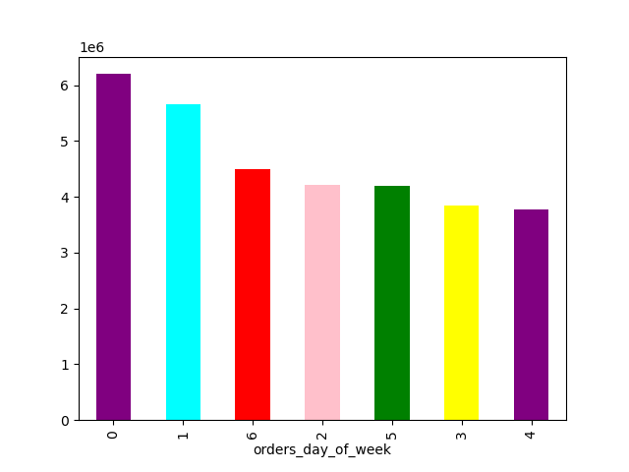


 |  |  |  |  |  |  |  | The
 |  |  |  |  |  |  |  |  |  | The busiest days are Saturday and Sunday, busiest hours are between 9 a.m. and 4 p.m. The least busy days are Tuesday and Wednesday, least busy hours are between 2 a.m. and 6 a.m.
 |  | order_days_of_week Legend
 |  | 0 | Saturday
 |  | 1 | Sunday
 |  | 2 | Monday
 |  | 3 | Tuesday
 |  | 4 | Wednesday
 |  | 5 | Thursday
 |  | 6 | Friday

They also want to know whether there are particular times of the day when people spend the most money, as this might inform the type of products they advertise at these times
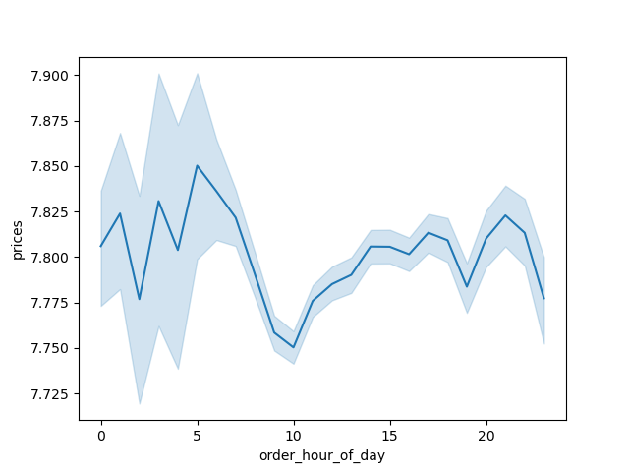

 |  |  |  |  | prices increase from midnight to 5 a.m. and again after 8 p.m.

Are there certain types of products that are more popular than others? The marketing and sales teams want to know which departments have the highest frequency of product orders

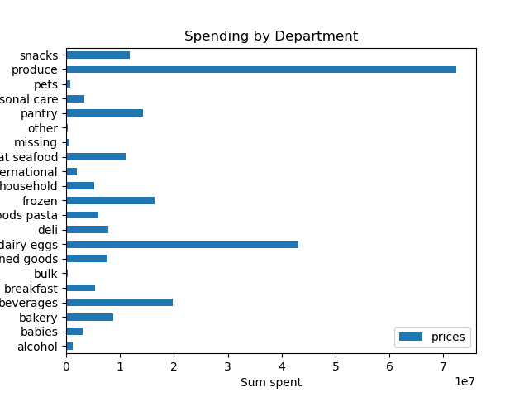
 |  |  |  |  |  |  | The department making the most money is produce followed by dairy and eggs

What’s the distribution among users in regards to their brand loyalty
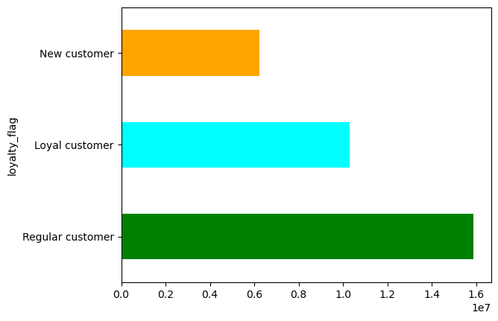

 |  |  |  |  |  | The most common type of customer is a regular customer followed by loyal and finally a 'New' customer

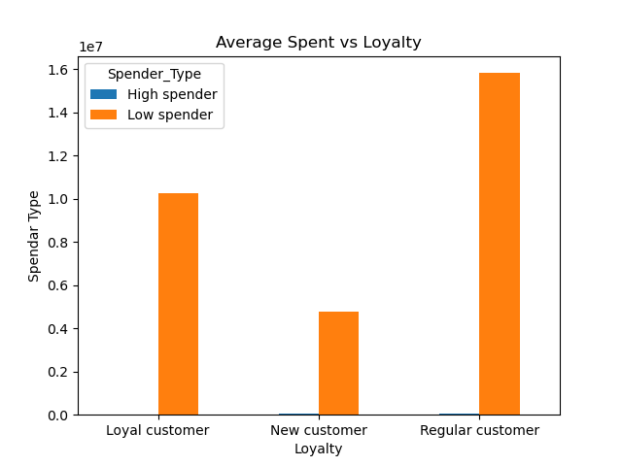

 |  |  |  |  |  |  |  | there isn't really a difference in loyalty and spending type. A large spender will spend a lot whether they are a new customer or not
Are there differences in ordering habits based on a customer’s loyalty status

Are there differences in ordering habits based on a customer’s region?

 |  |  |  | The most orders are made in the South region followed by the West with the least orders being processed in the Northeast
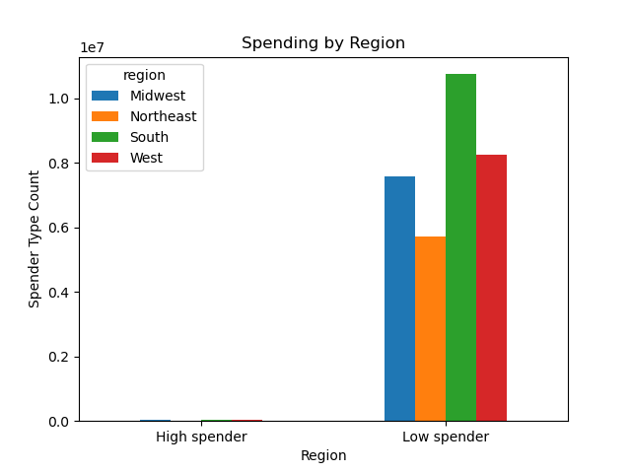

Is there a connection between age and family status in terms of ordering habits?

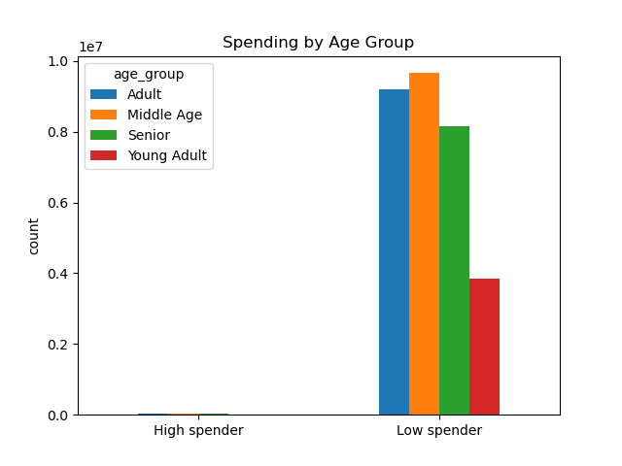
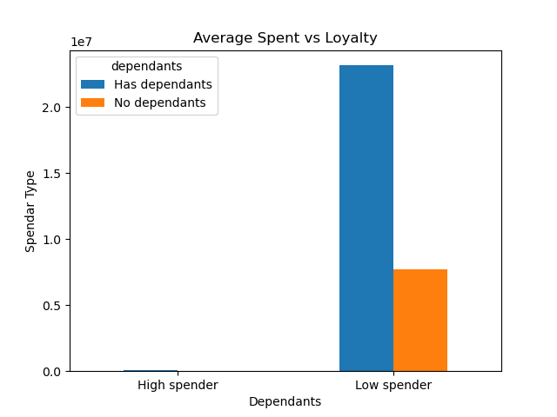

 |  |  |  |  |  |  |  |  | It looks like the older customers with families are the customers that order much more than the single younger population.

What different classifications does the demographic information suggest? Age? Income? Certain types of goods? Family status?

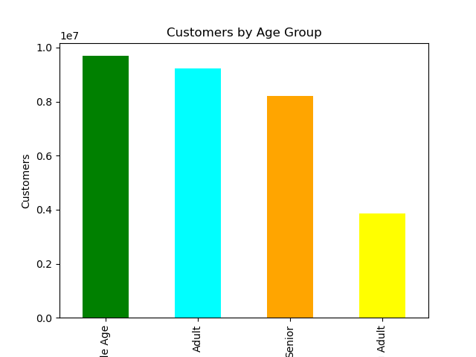
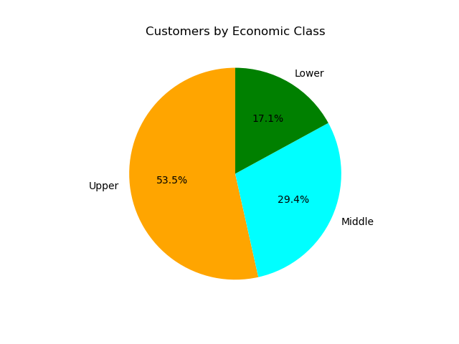
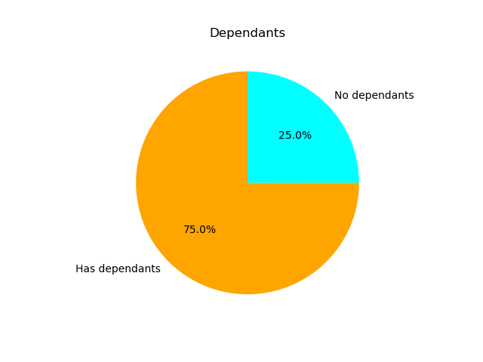

 | From left to right: Most of the customers make more than 94,000, have families and are middle aged or adults

What differences can you find in ordering habits of different customer profiles? Consider the price of orders, the frequency of orders, the products customers are ordering, and anything else you can think of

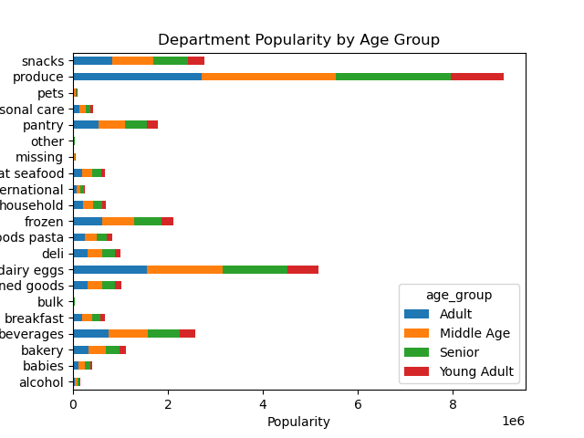
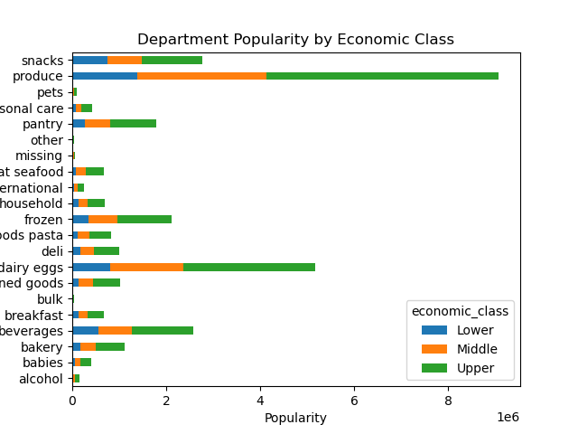
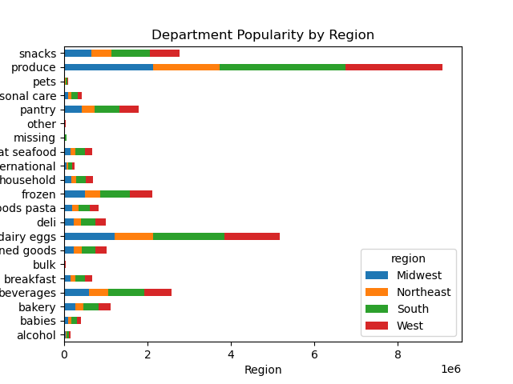
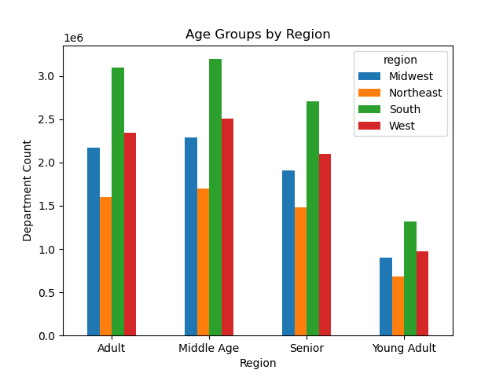

 |  | There is a lot of variation here. First off Young adults are the smallest market. Secondly the upper class is who is spending the most on produce which is the big seller. The south is the biggest market and has the largest population.

7. Recommendations
 |  | Title page

Recommendations

Question | Answer
The sales team needs to know what the busiest days of the week and hours of the day are (i.e., the days and times with the most orders) in order to schedule ads at times when there are fewer orders. | The busiest days are Saturday and Sunday, busiest hours are between 9 a.m. and 4 p.m. The least busy days are Tuesday and Wednesday, least busy hours are between 2 a.m. and 6 a.m.
They also want to know whether there are particular times of the day when people spend the most money, as this might inform the type of products they advertise at these times | prices increase from midnight to 5 a.m. and again after 8 p.m.
Are there certain types of products that are more popular than others? The marketing and sales teams want to know which departments have the highest frequency of product orders | The department making the most money is produce followed by dairy and eggs
What’s the distribution among users in regards to their brand loyalty | The most common type of customer is a regular customer followed by loyal and finally a 'New' customer
Are there differences in ordering habits based on a customer’s loyalty status | there isn't really a difference in loyalty and spending type. A large spender will spend a lot whether they are a new customer or not
Are there differences in ordering habits based on a customer’s region? | The most orders are made in the South region followed by the West with the least orders being processed in the Northeast
What different classifications does the demographic information suggest? Age? Income? Certain types of goods? Family status? | From left to right: Most of the customers make more than 94,000, have families and are middle aged or adults
What differences can you find in ordering habits of different customer profiles? Consider the price of orders, the frequency of orders, the products customers are ordering, and anything else you can think of | There is a lot of variation here. First off Young adults are the smallest market. Secondly the upper class is who is spending the most on produce which is the big seller. The south is the biggest market and has the largest population.
“We’re always looking into improving our targeting for ad campaigns.” | Targeting high income customers with premium products, they are the most frequent customers, but still low spenders. Our biggest age groups we are looking at are middle aged to seniors. And finally the best spenders are families. In short we should advertise to wealthy older families.
“I want to receive ads, promotions, and recommendations that are relevant to the products I order regularly.” | By far the most bought items are produce and dairy. To capatilize on this we should advertise these two departments products

